Sheet 2
SUPERMARKET SALES DASHBOARD
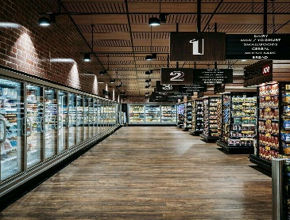

SALES BY CATEGORY
SALES BY REGION

SALES BY SUB-CATEGORY

Row Labels | Count of Sales |  |  | Row Labels | Count of Sales
Furniture | 39 |  |  | West | 201
Office Supplies | 120 |  |  | Grand Total | 201
Technology | 42
Grand Total | 201

 |  | Row Labels | Count of Sales
 |  | Accessories | 17
 |  | Appliances | 8
 |  | Art | 15
 |  | Binders | 33
 |  | Bookcases | 2
 |  | Chairs | 14
 |  | Copiers | 2
 |  | Envelopes | 5
 |  | Fasteners | 1
 |  | Furnishings | 17
 |  | Labels | 13
 |  | Machines | 1
 |  | Paper | 21
 |  | Phones | 22
 |  | Storage | 18
 |  | Supplies | 6
 |  | Tables | 6
 |  | Grand Total | 201

